Ordering form
HSE form for ordering chemicals and gases at IBT
Attach this form to the e-requisition. See tabs "Instructions (ENG)" and "Veiledning (NO)" for instructions for filling out this form.

 | Fill in coloured fields
Your name
Date

Product name
Supplier
Product number (only kit-number for kits)

if yes on both , green cells below are
not required
Room number and cabinet for storage (chemical index location)
I confirm that the chemical is registered in the chemical index on the location previously and that the SDS has no hazard statements* (see section 2** in the SDS).
 |  | *Hazard statements
 |  |  | (CAS-number lookup, NB! Not complete list)
 |  | Red/TRUE= may form explosive peroxides | Red/TRUE = may ignite spontaniosly | Red/TRUE = registration in exposire index required
CAS-number (format: 391-17-8) |  | FALSE | FALSE | FALSE
CAS-number 2 |  | FALSE | FALSE | FALSE
CAS-number 3 |  | FALSE | FALSE | FALSE
CAS-number 4 |  | FALSE | FALSE | FALSE
CAS-number 5 |  | FALSE | FALSE | FALSE

yes (required)
I have attached an SDS on REACH format** (SDS with 16 sections) |  | **Sections required in SDS according to REACH, see red panel ->
Pictogram(s) from SDS. |  |  | 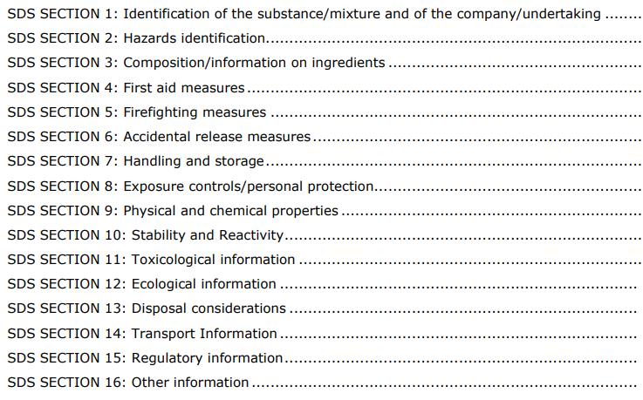
Is the H-statement H340, H350 or H350i stated in the SDS? If "yes": Registration in exposure index is required. Contact techical staff.
Important disposal information (non standard requirements). See SDS. | See www.retrologistik.com for processes regarding the return of chemicals and containers, or contact us there if you have further questions.
Comments

